Q1
Top 5 Companies in the world successful salary package of sales analysts

 | Company | Average Salary
 | Cisco System | $106,662
 | Facebook | $117,726
 | Google | $98,814
 | Microsoft | $110,074
 | Qualcomm | $99,852

Q2
Travel sales gather the customers by: |  | Category | Retention Rate
 |  | Insurance | 84%
 | 1. Asses past bookings to identify priority guests. | Banking | 75%
 | 2. Explore your CRM for old leads. | Retail | 63%
 | 3.Market to your guests past interests. | Hospitality | 55%
 | 4.Under the motivations behind repeat bookings. | Fintech | 37%
 | 5.Offer the right repeat booking incentives. | SaaS | 35%
 | 6.Apply guests feedback to future stays. | Media | 25%
 | 7.Know your VIPs and personalize their experience. | Edtech | 4%
 | 8.Automate follow-up to keep the conversation going.

Hospitality Sales for improve retention by: |  | Row Labels | Sum of Retention Rate
 |  | Banking | 75%
 | 1.Sustainable and positive environment. | Edtech | 4%
 | 2.Sustainable growth opportunities. | Fintech | 37%
 | 3.Sustainable and effective communication. | Hospitality | 55%
 | 4.Sustainable recruitment and selection process. | Insurance | 84%
 |  | Media | 25%
 |  | Retail | 63%
 |  | SaaS | 35%
 |  | Grand Total | 378%

Retention Rate

Q3
3 Main types of sales research |  |  |  | Row Labels | Sum of Column4
 |  |  |  | Causal Research | 0.33
 | Exploratory Research: |  |  | Descriptive Research | 0.33
 |  | Companies use exploratory research methods to uncover facts and opinions regarding a particular subject. |  | Exploratory Research | 0.33
 |  |  |  | Grand Total | 0.99
 | Descriptive Research:
 |  | It seeks to concretely describe a situation in ways that will allow companies to direct decisions and monitor progress.

 | Causal Research:
 |  | When companies want to establish a cause and effect relationship among two or more variables, they use causal research methods.

Column1 | Column2 | Column3 | Column4
Exploratory Research |  |  | 33%
Descriptive Research |  |  | 33%
Causal Research |  |  | 33%

Q5
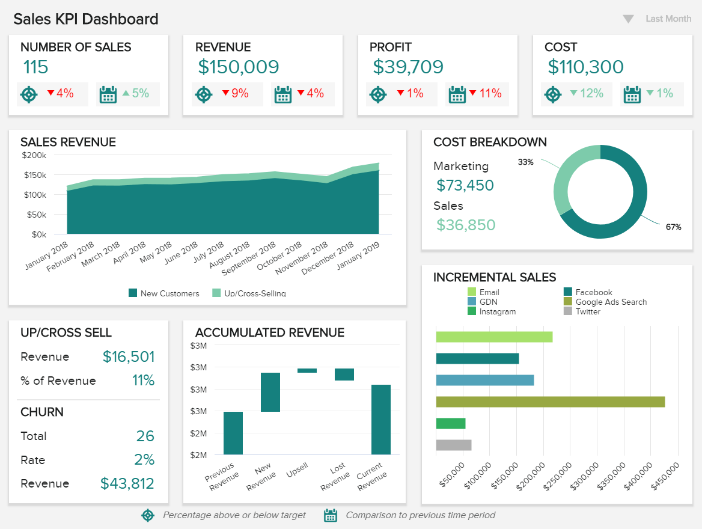
Sales KPIs and metrics that every sales rep and manager:

 | 1. Sales Growth:
 | Is your growing steadily?

 | 2. Sales Target:
 | Are you on track regarding the sales targets?

 | 3. Customer Acquisition Cost:
 | How much does a new customer cost?

 | 4. Average Revenue per Unit:
 | What is your average revenue per user?

 | 5. Customer Lifetime Value:
 | How much do you expect to earn per customer?

 | 6. Customer Churn Rate:
 | How many customers do you lose?

 | 7. Average Sales Cycle Length:
 | How do you shorten your sales cycle?

 | 8. Lead-to-Opportunity Ratio:
 | How about your lead quality?

 | 9. Opportunity-to-Win Ratio:
 | How many qualified leads result in closing a deal?

 | 10. Lead Conversion Ratio:
 | Is your conversion ratio stable?

 | 11. Number of Sales Opportunities:
 | What is your potential purchase volume?

 | 12. Sales Opportunity Score:
 | Do you prioritize your sales opportunities?

